Introduction
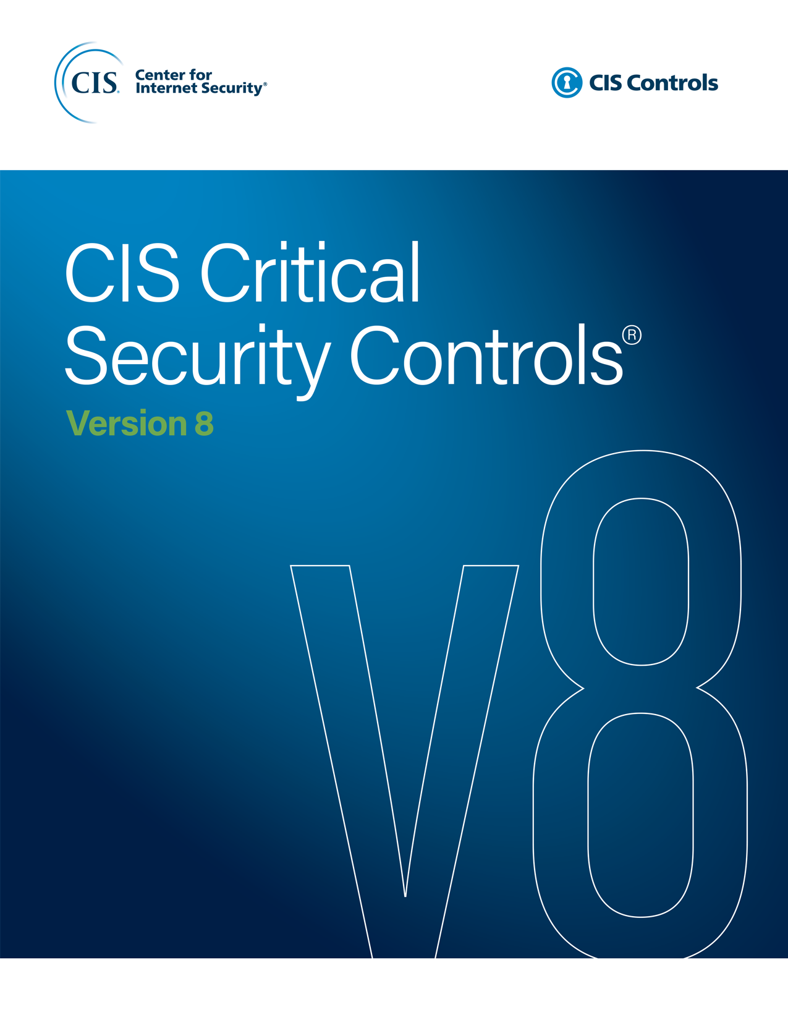

Contact Information
CIS
31 Tech Valley Drive
East Greenbush, NY 12061
518.266.3460
controlsinfo@cisecurity.org

Editor
Valecia Stocchetti

Contributors
Ginger Anderson
Robin Regnier

